MBT_001
Project: | MrBuggy 3 | Test Execution
Client: | N/A | Start: 8:46
Reference Document: | Task Description | End: 8:55
Created By: | Patryk Korzeniewski
Creation Date: | 15 May 2023
Approval Date: | X
Description: | These are example Test Cases for Task 1 in MrBuggy 3: Find and report a defect in the standard application function for creating a user account in the web application. Fields marked with an asterisk are required. According to the customer's requirements, the First Name and Last Name fields can accept any characters. Base on your knowledge of how such an application should function. Don't look for usability defects. Bug report is below the test cases table.

Test Case ID | Test Scenario ID | Test Case Title | Pre-requisites | Execution Steps | Test Data | Expected Result | Actual Result | Priority | Result | Severity | Comments
T1_001 | MBT_001 | Register with proper data | 1. Logging in to the MrBuggy 3 app. 2. Enable Task number 1. | 1. Fill in the User name field with proper data. 2. Fill in the password with proper data. 3. Fill in the repeat password with proper data. 4. Fill in the First name field with any data. 5. Fill in the Name field with any data. 6. Click on the register button. | User name can contain lowercase and uppercase letters without diactric marks, must contain minimum 6 letters, can contain numbers and marks: - _ Password must be checked at least as: medium (średnie), must cointaint at least 6 marks. Name and First name can contain any marks. | 1. User name field is filled. 2. Password field is filled. 3. Repeat password field is filled. 4. First name field is filled. 5. Name field is filled. 6. User is succesfully registered. | 1. User name field is filled. 2. Password field is filled. 3. Repeat password field is filled. 4. First name field is filled. 5. Name field is filled. 6. User is succesfully registered. | High | Passed
T1_002 | MBT_001 | Check if password and repeat password fields are filling with dots instead of visible data. | 1. Logging in to the MrBuggy 3 app. 2. Enable Task number 1. | 1. Fill in the password with proper data. 2. Fill in the repeat password with proper data. | Type any data, use uppercase and lowercase letters, numbers, different marks. | 1. Password field is filled with dots. 2. Repeat password field is filled with dots. | 1. Password field is filled with dots. 2. Repeat password field is filled with dots. | High | Passed
T1_003 | MBT_001 | Register with poor (słabe) password. | 1. Logging in to the MrBuggy 3 app. 2. Enable Task number 1. | 1. Fill in the User name field with proper data. 2. Fill in the password field with poor password. 3. Fill in the repeat password. 4. Fill in the First name field with any data. 5. Fill in the Name field with any data. 6. Click on the register button. | User name can contain lowercase and uppercase letters without diactric marks, must contain minimum 6 letters, can contain numbers and marks: - _ Password must cointaint at least 6 marks. Name and First name can contain any marks. | 1. User name field is filled. 2. Password field is filled. 3. Repeat password field is filled. 4. First name field is filled. 5. Name field is filled. 6. User cannot register, the proper message is displayed. | 1. User name field is filled. 2. Password field is filled. 3. Repeat password field is filled. 4. First name field is filled. 5. Name field is filled. 6. User cannot register, the proper message is displayed. | High | Passed
T1_004 | MBT_001 | Register with forbidden marks in User name field: diactric marks | 1. Logging in to the MrBuggy 3 app. 2. Enable Task number 1. | 1. Fill in the User name field with data containing diactric marks. 2. Fill in the password with proper data. 3. Fill in the repeat password with proper data. 4. Fill in the First name field with any data. 5. Fill in the Name field with any data. 6. Click on the register button. | User name can contain lowercase and uppercase letters, must contain minimum 6 letters, can contain numbers and marks: - _ Examples of polish diactric marks: ą ę ć ź ł ó Password must be checked at least as: medium (średnie), must cointaint at least 6 marks. Name and First name can contain any marks. | 1. User name field is filled. 2. Password field is filled. 3. Repeat password field is filled. 4. First name field is filled. 5. Name field is filled. 6. User cannot register, the proper message is displayed. | 1. User name field is filled. 2. Password field is filled. 3. Repeat password field is filled. 4. First name field is filled. 5. Name field is filled. 6. User cannot register, the proper message is displayed. | Medium | Passed
T1_005 | MBT_001 | Register with too short User Name. | 1. Logging in to the MrBuggy 3 app. 2. Enable Task number 1. | 1. Fill in the User name field with proper data, must be lesser than 6 letters. 2. Fill in the password with proper data. 3. Fill in the repeat password with proper data. 4. Fill in the First name field with any data. 5. Fill in the Name field with any data. 6. Click on the register button. | User name can contain lowercase and uppercase letters without diactric marks, can contain numbers and marks: - _ User name in this case must me lesser than 6 letters. Password must be checked at least as: medium (średnie),must cointaint at least 6 marks. Name and First name can contain any marks. | 1. User name field is filled. 2. Password field is filled. 3. Repeat password field is filled. 4. First name field is filled. 5. Name field is filled. 6. User cannot register, the proper message is displayed. | 1. User name field is filled. 2. Password field is filled. 3. Repeat password field is filled. 4. First name field is filled. 5. Name field is filled. 6. User cannot register, the proper message is displayed. | Medium | Passed
T1_006 | MBT_001 | Register with different data in Password and Repoeat Password fields. | 1. Logging in to the MrBuggy 3 app. 2. Enable Task number 1. | 1. Fill in the User name field with proper data. 2. Fill in the password with proper data. 3. Fill in the repeat password with different data than password field. 4. Fill in the First name field with any data. 5. Fill in the Name field with any data. 6. Click on the register button. | User name can contain lowercase and uppercase letters without diactric marks, must contain minimum 6 letters, can contain numbers and marks: - _ Password must be checked at least as: medium (średnie), must cointaint at least 6 marks. Name and First name can contain any marks. | 1. User name field is filled. 2. Password field is filled. 3. Repeat password field is filled. 4. First name field is filled. 5. Name field is filled. 6. User cannot register, the proper message is displayed. | 1. User name field is filled. 2. Password field is filled. 3. Repeat password field is filled. 4. First name field is filled. 5. Name field is filled. 6. User cannot register, the proper message is displayed. | High | Passed
T1_007 | MBT_001 | Register the two users with the same User name | 1. Logging in to the MrBuggy 3 app. 2. Enable Task number 1. | 1. Fill in the User name field with proper data. 2. Fill in the password with proper data. 3. Fill in the repeat password with proper data. 4. Fill in the First name field with any data. 5. Fill in the Name field with any data. 6. Click on the register button. 7. Repeat steps 1-6. Use the same user name. | User name can contain lowercase and uppercase letters without diactric marks, must contain minimum 6 letters, can contain numbers and marks: - _ Password must be checked at least as: medium (średnie), must cointaint at least 6 marks. Name and First name can contain any marks. | 1. User name field is filled. 2. Password field is filled. 3. Repeat password field is filled. 4. First name field is filled. 5. Name field is filled. 6. User cannot register, the proper message is displayed. | 1. User name field is filled. 2. Password field is filled. 3. Repeat password field is filled. 4. First name field is filled. 5. Name field is filled. 6. User cannot register, the proper message is displayed. | High | Passed
T1_008 | MBT_001 | Register the two users with the same First and Last name | 1. Logging in to the MrBuggy 3 app. 2. Enable Task number 1. | 1. Fill in the User name field with proper data. 2. Fill in the password with proper data. 3. Fill in the repeat password with proper data. 4. Fill in the First name field with any data. 5. Fill in the Name field with any data. 6. Click on the register button. 7. Repeat steps 1-6. Use the same First and Last name. | User name can contain lowercase and uppercase letters without diactric marks, must contain minimum 6 letters, can contain numbers and marks: - _ Password must be checked at least as: medium (średnie), must cointaint at least 6 marks. Name and First name can contain any marks. | 1. User name field is filled. 2. Password field is filled. 3. Repeat password field is filled. 4. First name field is filled. 5. Name field is filled. 6. User is succesfully registered. | 1. User name field is filled. 2. Password field is filled. 3. Repeat password field is filled. 4. First name field is filled. 5. Name field is filled. 6. User is succesfully registered. | High | Passed
T1_009 | MBT_001 | Register with blank fields. | 1. Logging in to the MrBuggy 3 app. 2. Enable Task number 1. | 1. Click on register button. |  | 1. User cannot register, the proper message is displayed. | 1. User is succesfully registered. | High | Failed | Major
T1_010 | MBT_001 | Register with too short password. | 1. Logging in to the MrBuggy 3 app. 2. Enable Task number 1. | 1. Fill in the User name field with proper data. 2. Fill in the password containing lesser than 6 marks. 3. Fill in the repeat password with proper data. 4. Fill in the First name field with any data. 5. Fill in the Name field with any data. 6. Click on the register button. | User name can contain lowercase and uppercase letters without diactric marks, must contain minimum 6 letters, can contain numbers and marks: - _ Password must be checked at least as: medium (średnie). Name and First name can contain any marks. | 1. User name field is filled. 2. Password field is filled. 3. Repeat password field is filled. 4. First name field is filled. 5. Name field is filled. 6. User cannot register, the proper message is displayed. | 1. User name field is filled. 2. Password field is filled. 3. Repeat password field is filled. 4. First name field is filled. 5. Name field is filled. 6. User cannot register, the proper message is displayed. | Meidum | Passed

ID | B001
Reporter: | Patryk Korzeniewski | Assignee: | N/A | Status: | Open
Type: | Functionality | Severity: | Major | Priority: | High
Build: | 1.2.0.146 | OS: | Windows | OS version | 10
Summary: | User can register without filling any field.
Pre-conditions:
1 | Logging into MrBuggy 3 application.
2 | Enable Task number 1.
Steps to reproduce:
1 | Click on register button.

Actual result:
User is succesfully registered.

Expected result:
User cannot register, the proper message is displayed.
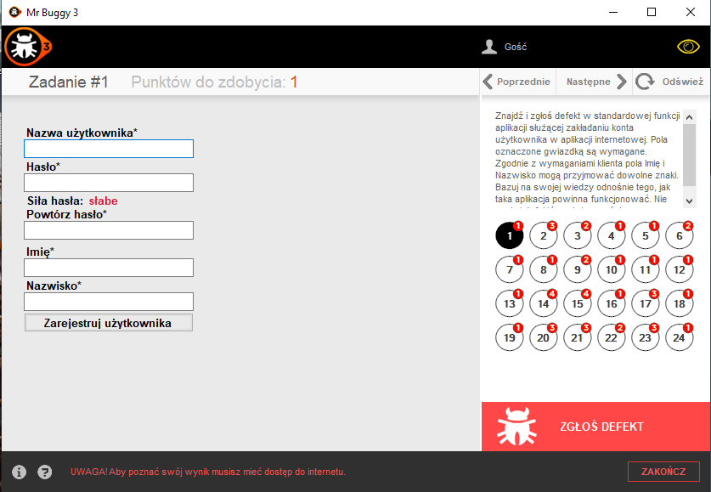
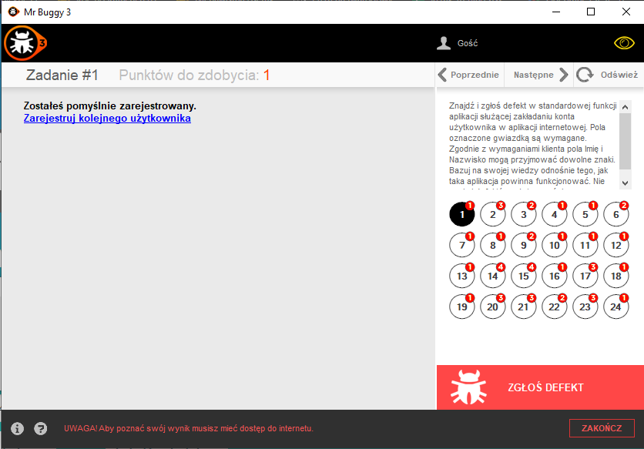
Attachments:
Additional info:

MBT_002
Project: | MrBuggy 3 | Test Execution:
Client: | N/A | Start 17:00
Reference Document: | Task Description | End 18:30
Created By: | Patryk Korzeniewski
Creation Date: | 16 May 2023
Approval Date: | X
Description: | These are example Test Cases for Task 2 in MrBuggy 3: The task presents a simple shop with a list of products covered by the purchase and a basket of products selected by the user. Fields marked with an asterisk are required. "Delete" function in the shopping cart, removing all marked products. The "Order" function simulates the completion of the purchasing process. Find and report a defect. Don't look for usability defects. Bug report is below the test cases table.

Test Case ID | Test Scenario ID | Test Case Title | Pre-requisites | Execution Steps | Test Data | Expected Result | Actual Result | Priority | Result | Severity | Comments
T2_001 | MBT_002 | Adding 0 products to the shopping cart | 1. Logging in to the MrBuggy 3 app. 2. Enable Task number 2. | 1. Click on any product. 2. Reduce the amount of added product to 0 by clicking on lower arrow. | You can decrease the amount by clicking on lower arrow. | 1. Wanted product is marked. 2. Client cannot reduce the amount of added product below 1. | 1. Wanted product is marked. 2. Client cannot reduce the amount of added product below 1. | Low | Passed
T2_002 | MBT_002 | Adding 1 product to the shopping cart | 1. Logging in to the MrBuggy 3 app. 2. Enable Task number 2. | 1. Click on any product. 2. Click on "Add to the shopping cart" ("Dodaj do koszyka") |  | 1. Wanted product is marked, the amount of added product is 1. 2. Product is added to the shopping cart. | 1. Wanted product is marked, the amount of added product is 1. 2. Product is added to the shopping cart. | High | Passed
T2_003 | MBT_002 | The cart should display the value of purchases | 1. Logging in to the MrBuggy 3 app. 2. Enable Task number 2. | 1. Click on any product. 2. Increase the amount of product. 3. Click "Add to the shopping cart" 4. Repeat steps 1-3 as much as you want. 5. Check if the value of purchases is equal to the products value. | For example: 1 Smartphone 2 Laptops 3 Pendrives Should equal 9 249,90 zł | 1. Wanted product is marked. 2. The amount is changed to desired value, 3. Product/s is/are added to the cart. 4. As in 1-3. 5. Value of the added products is matched with cart value. | 1. Wanted product is marked. 2. The amount is changed to desired value, 3. Product/s is/are added to the cart. 4. As in 1-3. 5. Value of the added products is matched with cart value. | Medium | Passed
T2_004 | MBT_002 | Adding 2 products to the shopping cart | 1. Logging in to the MrBuggy 3 app. 2. Enable Task number 2. | 1. Click on any product. 2. Increase the amount of a given product to: 2. 3. Click on "Add to the shopping cart" button. | Add only the one type of product. You can increase the amount by clicking on upper arrow. | 1. Wanted product is marked. 2. The amount of product is changed to desired value. 3. Products are added to the cart. | 1. Wanted product is marked. 2. The amount of product is changed to desired value. 3. Products are added to the cart. | High | Passed |  | Cases T2_003 - T2_034 could be done by automation to reduce the testing time
T2_005 | MBT_002 | Adding 9 products to the shopping cart | 1. Logging in to the MrBuggy 3 app. 2. Enable Task number 2. | 1. Click on any product. 2. Increase the amount of a given product to: 9. 3. Click on "Add to the shopping cart" button. | Add only the one type of product. You can increase the amount by clicking on upper arrow. | 1. Wanted product is marked. 2. The amount of product is changed to desired value. 3. Products are added to the cart. | 1. Wanted product is marked. 2. The amount of product is changed to desired value. 3. Products are added to the cart. | High | Passed |  | Cases T2_003 - T2_034 could be done by automation to reduce the testing time
T2_006 | MBT_002 | Adding 10 products to the shopping cart | 1. Logging in to the MrBuggy 3 app. 2. Enable Task number 2. | 1. Click on any product. 2. Increase the amount of a given product to: 10. 3. Click on "Add to the shopping cart" button. | Add only the one type of product. You can increase the amount by clicking on upper arrow. | 1. Wanted product is marked. 2. The amount of product is changed to desired value. 3. Products are added to the cart. | 1. Wanted product is marked. 2. The amount of product is changed to desired value. 3. Products are added to the cart. | High | Passed |  | Cases T2_003 - T2_034 could be done by automation to reduce the testing time
T2_007 | MBT_002 | Adding 11 products to the shopping cart | 1. Logging in to the MrBuggy 3 app. 2. Enable Task number 2. | 1. Click on any product. 2. Increase the amount of a given product to: 11. 3. Click on "Add to the shopping cart" button. | Add only the one type of product. You can increase the amount by clicking on upper arrow. | 1. Wanted product is marked. 2. The amount of product is changed to desired value. 3. Products are added to the cart. | 1. Wanted product is marked. 2. The amount of product is changed to desired value. 3. Products are added to the cart. | High | Passed |  | Cases T2_003 - T2_034 could be done by automation to reduce the testing time
T2_008 | MBT_002 | Adding 19 products to the shopping cart | 1. Logging in to the MrBuggy 3 app. 2. Enable Task number 2. | 1. Click on any product. 2. Increase the amount of a given product to: 19. 3. Click on "Add to the shopping cart" button. | Add only the one type of product. You can increase the amount by clicking on upper arrow. | 1. Wanted product is marked. 2. The amount of product is changed to desired value. 3. Products are added to the cart. | 1. Wanted product is marked. 2. The amount of product is changed to desired value. 3. Products are added to the cart. | High | Passed |  | Cases T2_003 - T2_034 could be done by automation to reduce the testing time
T2_009 | MBT_002 | Adding 20 products to the shopping cart | 1. Logging in to the MrBuggy 3 app. 2. Enable Task number 2. | 1. Click on any product. 2. Increase the amount of a given product to: 20. 3. Click on "Add to the shopping cart" button. | Add only the one type of product. You can increase the amount by clicking on upper arrow. | 1. Wanted product is marked. 2. The amount of product is changed to desired value. 3. Products are added to the cart. | 1. Wanted product is marked. 2. The amount of product is changed to desired value. 3. Products are added to the cart. | High | Passed |  | Cases T2_003 - T2_034 could be done by automation to reduce the testing time
T2_010 | MBT_002 | Adding 21 products to the shopping cart | 1. Logging in to the MrBuggy 3 app. 2. Enable Task number 2. | 1. Click on any product. 2. Increase the amount of a given product to: 21. 3. Click on "Add to the shopping cart" button. | Add only the one type of product. You can increase the amount by clicking on upper arrow. | 1. Wanted product is marked. 2. The amount of product is changed to desired value. 3. Products are added to the cart. | 1. Wanted product is marked. 2. The amount of product is changed to desired value. 3. Products are added to the cart. | High | Passed |  | Cases T2_003 - T2_034 could be done by automation to reduce the testing time
T2_011 | MBT_002 | Adding 29 products to the shopping cart | 1. Logging in to the MrBuggy 3 app. 2. Enable Task number 2. | 1. Click on any product. 2. Increase the amount of a given product to: 29. 3. Click on "Add to the shopping cart" button. | Add only the one type of product. You can increase the amount by clicking on upper arrow. | 1. Wanted product is marked. 2. The amount of product is changed to desired value. 3. Products are added to the cart. | 1. Wanted product is marked. 2. The amount of product is changed to desired value. 3. Products are added to the cart. | High | Passed |  | Cases T2_003 - T2_034 could be done by automation to reduce the testing time
T2_012 | MBT_002 | Adding 30 products to the shopping cart | 1. Logging in to the MrBuggy 3 app. 2. Enable Task number 2. | 1. Click on any product. 2. Increase the amount of a given product to: 30. 3. Click on "Add to the shopping cart" button. | Add only the one type of product. You can increase the amount by clicking on upper arrow. | 1. Wanted product is marked. 2. The amount of product is changed to desired value. 3. Products are added to the cart. | 1. Wanted product is marked. 2. The amount of product is changed to desired value. 3. Products are added to the cart. | High | Passed |  | Cases T2_003 - T2_034 could be done by automation to reduce the testing time
T2_013 | MBT_002 | Adding 31 products to the shopping cart | 1. Logging in to the MrBuggy 3 app. 2. Enable Task number 2. | 1. Click on any product. 2. Increase the amount of a given product to: 31. 3. Click on "Add to the shopping cart" button. | Add only the one type of product. You can increase the amount by clicking on upper arrow. | 1. Wanted product is marked. 2. The amount of product is changed to desired value. 3. Products are added to the cart. | 1. Wanted product is marked. 2. The amount of product is changed to desired value. 3. Products are added to the cart. | High | Passed |  | Cases T2_003 - T2_034 could be done by automation to reduce the testing time
T2_014 | MBT_002 | Adding 39 products to the shopping cart | 1. Logging in to the MrBuggy 3 app. 2. Enable Task number 2. | 1. Click on any product. 2. Increase the amount of a given product to: 39. 3. Click on "Add to the shopping cart" button. | Add only the one type of product. You can increase the amount by clicking on upper arrow. | 1. Wanted product is marked. 2. The amount of product is changed to desired value. 3. Products are added to the cart. | 1. Wanted product is marked. 2. The amount of product is changed to desired value. 3. Products are added to the cart. | High | Passed |  | Cases T2_003 - T2_034 could be done by automation to reduce the testing time
T2_015 | MBT_002 | Adding 40 products to the shopping cart | 1. Logging in to the MrBuggy 3 app. 2. Enable Task number 2. | 1. Click on any product. 2. Increase the amount of a given product to: 40. 3. Click on "Add to the shopping cart" button. | Add only the one type of product. You can increase the amount by clicking on upper arrow. | 1. Wanted product is marked. 2. The amount of product is changed to desired value. 3. Products are added to the cart. | 1. Wanted product is marked. 2. The amount of product is changed to desired value. 3. Products are added to the cart. | High | Passed |  | Cases T2_003 - T2_034 could be done by automation to reduce the testing time
T2_016 | MBT_002 | Adding 41 products to the shopping cart | 1. Logging in to the MrBuggy 3 app. 2. Enable Task number 2. | 1. Click on any product. 2. Increase the amount of a given product to: 41. 3. Click on "Add to the shopping cart" button. | Add only the one type of product. You can increase the amount by clicking on upper arrow. | 1. Wanted product is marked. 2. The amount of product is changed to desired value. 3. Products are added to the cart. | 1. Wanted product is marked. 2. The amount of product is changed to desired value. 3. Products are added to the cart. | High | Passed |  | Cases T2_003 - T2_034 could be done by automation to reduce the testing time
T2_017 | MBT_002 | Adding 49 products to the shopping cart | 1. Logging in to the MrBuggy 3 app. 2. Enable Task number 2. | 1. Click on any product. 2. Increase the amount of a given product to: 49. 3. Click on "Add to the shopping cart" button. | Add only the one type of product. You can increase the amount by clicking on upper arrow. | 1. Wanted product is marked. 2. The amount of product is changed to desired value. 3. Products are added to the cart. | 1. Wanted product is marked. 2. The amount of product is changed to desired value. 3. Products are added to the cart. | High | Passed |  | Cases T2_003 - T2_034 could be done by automation to reduce the testing time
T2_018 | MBT_002 | Adding 50 products to the shopping cart | 1. Logging in to the MrBuggy 3 app. 2. Enable Task number 2. | 1. Click on any product. 2. Increase the amount of a given product to: 50. 3. Click on "Add to the shopping cart" button. | Add only the one type of product. You can increase the amount by clicking on upper arrow. | 1. Wanted product is marked. 2. The amount of product is changed to desired value. 3. Products are added to the cart. | 1. Wanted product is marked. 2. The amount of product is changed to desired value. 3. Products are added to the cart. | High | Passed |  | Cases T2_003 - T2_034 could be done by automation to reduce the testing time
T2_019 | MBT_002 | Adding 51 products to the shopping cart | 1. Logging in to the MrBuggy 3 app. 2. Enable Task number 2. | 1. Click on any product. 2. Increase the amount of a given product to: 51. 3. Click on "Add to the shopping cart" button. | Add only the one type of product. You can increase the amount by clicking on upper arrow. | 1. Wanted product is marked. 2. The amount of product is changed to desired value. 3. Products are added to the cart. | 1. Wanted product is marked. 2. The amount of product is changed to desired value. 3. Products are added to the cart. | High | Passed |  | Cases T2_003 - T2_034 could be done by automation to reduce the testing time
T2_020 | MBT_002 | Adding 59 products to the shopping cart | 1. Logging in to the MrBuggy 3 app. 2. Enable Task number 2. | 1. Click on any product. 2. Increase the amount of a given product to: 59. 3. Click on "Add to the shopping cart" button. | Add only the one type of product. You can increase the amount by clicking on upper arrow. | 1. Wanted product is marked. 2. The amount of product is changed to desired value. 3. Products are added to the cart. | 1. Wanted product is marked. 2. The amount of product is changed to desired value. 3. Products are added to the cart. | High | Passed |  | Cases T2_003 - T2_034 could be done by automation to reduce the testing time
T2_021 | MBT_002 | Adding 60 products to the shopping cart | 1. Logging in to the MrBuggy 3 app. 2. Enable Task number 2. | 1. Click on any product. 2. Increase the amount of a given product to: 60. 3. Click on "Add to the shopping cart" button. | Add only the one type of product. You can increase the amount by clicking on upper arrow. | 1. Wanted product is marked. 2. The amount of product is changed to desired value. 3. Products are added to the cart. | 1. Wanted product is marked. 2. The amount of product is changed to desired value. 3. Products are added to the cart. | High | Passed |  | Cases T2_003 - T2_034 could be done by automation to reduce the testing time
T2_022 | MBT_002 | Adding 61 products to the shopping cart | 1. Logging in to the MrBuggy 3 app. 2. Enable Task number 2. | 1. Click on any product. 2. Increase the amount of a given product to: 61. 3. Click on "Add to the shopping cart" button. | Add only the one type of product. You can increase the amount by clicking on upper arrow. | 1. Wanted product is marked. 2. The amount of product is changed to desired value. 3. Products are added to the cart. | 1. Wanted product is marked. 2. The amount of product is changed to desired value. 3. Products are added to the cart. | High | Passed |  | Cases T2_003 - T2_034 could be done by automation to reduce the testing time
T2_023 | MBT_002 | Adding 69 products to the shopping cart | 1. Logging in to the MrBuggy 3 app. 2. Enable Task number 2. | 1. Click on any product. 2. Increase the amount of a given product to: 69. 3. Click on "Add to the shopping cart" button. | Add only the one type of product. You can increase the amount by clicking on upper arrow. | 1. Wanted product is marked. 2. The amount of product is changed to desired value. 3. Products are added to the cart. | 1. Wanted product is marked. 2. The amount of product is changed to desired value. 3. Products are added to the cart. | High | Passed |  | Cases T2_003 - T2_034 could be done by automation to reduce the testing time
T2_024 | MBT_002 | Adding 70 products to the shopping cart | 1. Logging in to the MrBuggy 3 app. 2. Enable Task number 2. | 1. Click on any product. 2. Increase the amount of a given product to: 70. 3. Click on "Add to the shopping cart" button. | Add only the one type of product. You can increase the amount by clicking on upper arrow. | 1. Wanted product is marked. 2. The amount of product is changed to desired value. 3. Products are added to the cart. | 1. Wanted product is marked. 2. The amount of product is changed to desired value. 3. Products are added to the cart. | High | Passed |  | Cases T2_003 - T2_034 could be done by automation to reduce the testing time
T2_025 | MBT_002 | Adding 71 products to the shopping cart | 1. Logging in to the MrBuggy 3 app. 2. Enable Task number 2. | 1. Click on any product. 2. Increase the amount of a given product to: 71. 3. Click on "Add to the shopping cart" button. | Add only the one type of product. You can increase the amount by clicking on upper arrow. | 1. Wanted product is marked. 2. The amount of product is changed to desired value. 3. Products are added to the cart. | 1. Wanted product is marked. 2. The amount of product is changed to desired value. 3. Products are added to the cart. | High | Passed |  | Cases T2_003 - T2_034 could be done by automation to reduce the testing time
T2_026 | MBT_002 | Adding 79 products to the shopping cart | 1. Logging in to the MrBuggy 3 app. 2. Enable Task number 2. | 1. Click on any product. 2. Increase the amount of a given product to: 79. 3. Click on "Add to the shopping cart" button. | Add only the one type of product. You can increase the amount by clicking on upper arrow. | 1. Wanted product is marked. 2. The amount of product is changed to desired value. 3. Products are added to the cart. | 1. Wanted product is marked. 2. The amount of product is changed to desired value. 3. Products are added to the cart. | High | Passed |  | Cases T2_003 - T2_034 could be done by automation to reduce the testing time
T2_027 | MBT_002 | Adding 80 products to the shopping cart | 1. Logging in to the MrBuggy 3 app. 2. Enable Task number 2. | 1. Click on any product. 2. Increase the amount of a given product to: 80. 3. Click on "Add to the shopping cart" button. | Add only the one type of product. You can increase the amount by clicking on upper arrow. | 1. Wanted product is marked. 2. The amount of product is changed to desired value. 3. Products are added to the cart. | 1. Wanted product is marked. 2. The amount of product is changed to desired value. 3. Products are added to the cart. | High | Passed |  | Cases T2_003 - T2_034 could be done by automation to reduce the testing time
T2_028 | MBT_002 | Adding 81 products to the shopping cart | 1. Logging in to the MrBuggy 3 app. 2. Enable Task number 2. | 1. Click on any product. 2. Increase the amount of a given product to: 81. 3. Click on "Add to the shopping cart" button. | Add only the one type of product. You can increase the amount by clicking on upper arrow. | 1. Wanted product is marked. 2. The amount of product is changed to desired value. 3. Products are added to the cart. | 1. Wanted product is marked. 2. The amount of product is changed to desired value. 3. Products are added to the cart. | High | Passed |  | Cases T2_003 - T2_034 could be done by automation to reduce the testing time
T2_029 | MBT_002 | Adding 89 products to the shopping cart | 1. Logging in to the MrBuggy 3 app. 2. Enable Task number 2. | 1. Click on any product. 2. Increase the amount of a given product to: 89. 3. Click on "Add to the shopping cart" button. | Add only the one type of product. You can increase the amount by clicking on upper arrow. | 1. Wanted product is marked. 2. The amount of product is changed to desired value. 3. Products are added to the cart. | 1. Wanted product is marked. 2. The amount of product is changed to desired value. 3. Products are added to the cart. | High | Passed |  | Cases T2_003 - T2_034 could be done by automation to reduce the testing time
T2_030 | MBT_002 | Adding 90 products to the shopping cart | 1. Logging in to the MrBuggy 3 app. 2. Enable Task number 2. | 1. Click on any product. 2. Increase the amount of a given product to: 90. 3. Click on "Add to the shopping cart" button. | Add only the one type of product. You can increase the amount by clicking on upper arrow. | 1. Wanted product is marked. 2. The amount of product is changed to desired value. 3. Products are added to the cart. | 1. Wanted product is marked. 2. The amount of product is changed to desired value. 3. Products are added to the cart. | High | Passed |  | Cases T2_003 - T2_034 could be done by automation to reduce the testing time
T2_031 | MBT_002 | Adding 91 products to the shopping cart | 1. Logging in to the MrBuggy 3 app. 2. Enable Task number 2. | 1. Click on any product. 2. Increase the amount of a given product to: 91. 3. Click on "Add to the shopping cart" button. | Add only the one type of product. You can increase the amount by clicking on upper arrow. | 1. Wanted product is marked. 2. The amount of product is changed to desired value. 3. Products are added to the cart. | 1. Wanted product is marked. 2. The amount of product is changed to desired value. 3. Products are added to the cart. | High | Passed |  | Cases T2_003 - T2_034 could be done by automation to reduce the testing time
T2_032 | MBT_002 | Adding 99 products to the shopping cart | 1. Logging in to the MrBuggy 3 app. 2. Enable Task number 2. | 1. Click on any product. 2. Increase the amount of a given product to: 99. 3. Click on "Add to the shopping cart" button. | Add only the one type of product. You can increase the amount by clicking on upper arrow. | 1. Wanted product is marked. 2. The amount of product is changed to desired value. 3. Products are added to the cart. | 1. Wanted product is marked. 2. The amount of product is changed to desired value. 3. Products are added to the cart. | High | Passed |  | Cases T2_003 - T2_034 could be done by automation to reduce the testing time
T2_033 | MBT_002 | Adding 100 products to the shopping cart | 1. Logging in to the MrBuggy 3 app. 2. Enable Task number 2. | 1. Click on any product. 2. Increase the amount of a given product to: 100. 3. Click on "Add to the shopping cart" button. | Add only the one type of product. You can increase the amount by clicking on upper arrow. | 1. Wanted product is marked. 2. The amount of product is changed to desired value. 3. Products are added to the cart. | 1. Wanted product is marked. 2. The amount of product is changed to desired value. 3. Products are added to the cart. | High | Passed |  | Cases T2_003 - T2_034 could be done by automation to reduce the testing time
T2_034 | MBT_002 | Adding 101 products to the shopping cart | 1. Logging in to the MrBuggy 3 app. 2. Enable Task number 2. | 1. Click on any product. 2. Increase the amount of a given product to: 101. | Add only the one type of product. You can increase the amount by clicking on upper arrow. | 1. Wanted product is marked. 2. The quantity of the product cannot be higher than the quantity of the product in stock. | 1. Wanted product is marked. 2. Client cannot add more products than available in stock to the cart. | High | Passed |  | Cases T2_003 - T2_034 could be done by automation to reduce the testing time
T2_035 | MBT_002 | Adding product which is out of stock to the shopping cart | 1. Logging in to the MrBuggy 3 app. 2. Enable Task number 2. 3. Desired product must be out of stock (It's quantity must equal 0) | 1. Click on product that is out of stock. 2. Click on upper arrow. |  | 1. Product is marked. 2. Client cannot increase the amount of product which is out of stock. | 1. Product is marked. 2. Client cannot increase the amount of product which is out of stock. | High | Passed
T2_036 | MBT_002 | Adding every possible product to the shopping cart | 1. Logging in to the MrBuggy 3 app. 2. Enable Task number 2. | 1. Click on product that isn't in the cart yet. 2. Click on "Add to the shopping cart" button. 3. Repeat steps 1-2 until every product will be placed in cart. | You can add any amount of desired product. | 1. Product is marked. 2. Product is added to the shopping cart. 3. Every product can be placed in the shopping cart. | 1. Product is marked. 2. Product is added to the shopping cart. 3. Every product has been placed in the shopping cart. | High | Passed
T2_037 | MBT_002 | Buying any amount of desired product | 1. Logging in to the MrBuggy 3 app. 2. Enable Task number 2. 3. Product is placed in shopping cart. 4. Cart window is opened. | 1. Click on "Order" ("Zamów") button. | Any amount of product between 1-100 can be buyed. | 1. Client is redirected to the shop, the amount of product in stock is decreased by buyed amount. | 1. Client is redirected to the shop, the amount of product in stock is decreased by buyed amount. | High | Passed |  | Here we can use the amount of buyed products from cases T2_003 - T2_003 and use automation.
T2_038 | MBT_002 | Deleting the product from the cart | 1. Logging in to the MrBuggy 3 app. 2. Enable Task number 2. 3. Product is placed in shopping cart. 4. Cart window is opened. | 1. Click on product you want to remove. 2. Click on "Remove" ("Usuń") button. | Any amount of product between 1-100 can be placed in the cart. | 1. Product is marked. 2. Marked product should be removed from the cart. | 1. Product is marked. 2. Marked product has been removed from the cart. | High | Passed |  | Here we can use the amount of buyed products from cases T2_003 - T2_003 and use automation. Also we can try different combinations of products in the cart.
T2_039 | MBT_002 | Inreasing the number of products in the cart | 1. Logging in to the MrBuggy 3 app. 2. Enable Task number 2. 3. Product is placed in shopping cart. 4. Cart window is opened. | 1. Click on desired product. 2. Click on upper arrow. 3. Click on "Change" ("Zmień"). | Quantity of products can be increased from 1 to 100 | 1. Product is marked. 2. The value in the box has increased. 3. The number of products in the cart has changed to the desired value. | 1. Product is marked. 2. The value in the box has increased. 3. The number of products in the cart has changed to the desired value. | Medium | Passed
T2_040 | MBT_002 | Decreasing the number of products in the cart | 1. Logging in to the MrBuggy 3 app. 2. Enable Task number 2. 3. Product is placed in shopping cart. 4. Cart window is opened. 5. Product's quantity must exceed 1. | 1. Click on desired product. 2. Click on lower arrow. 3. Click on "Change" ("Zmień"). | Quantity of products can be decreased from 100 to 1 | 1. Product is marked. 2. The value in the box has decreased. 3. The number of products in the cart has changed to the desired value. | 1. Product is marked. 2. The value in the box has decreased. 3. The number of products in the cart has changed to the desired value. | Medium | Passed
T2_041 | MBT_002 | Buying higher amount of product than is available in stock | 1. Logging in to the MrBuggy 3 app. 2. Enable Task number 2. 3. Product's amount in stock must be lower than 100 and higher than 0. 4. Product is placed in shopping cart.. 5. Cart window is opened. | 1. Click on desired product. 2. Click on upper arrow, the value in the box must be higher than product's quantity in stock 3. Click on "Change" ("Zmień"). 4. Click on "Order" ("Zamów") | For example: Smartphone's available in stock: 80 Smartphone's quantity in the cart has increased to 90 | 1. Product is marked. 2. The value in the box has increased. 3. The number of products in the cart has changed to the desired value. 4. Customer cannot order more products than is available in stock. | 1. Product is marked. 2. The value in the box has increased. 3. The number of products in the cart has changed to the desired value. 4. Order has been completed succesfully, shop displays a negative number of available products. | High | Failed | Major
T2_042 | MBT_002 | The value of products in cart changes when product is removed from the cart | 1. Logging in to the MrBuggy 3 app. 2. Enable Task number 2. 3. Couple products in random amount are placed in shopping cart. 4. Cart window is opened. | 1. Click on product you want to remove/decrease it's amount. 2. Click on "Remove" ("Usuń") button/lower arrow. 3. Click on "Shop" ("Sklep"). |  | 1. Product is marked. 2. Marked product is removed from the cart/it's amount has decreased, the value of the cart in the lower right corner has changed. 3. Client is back on shop screen, the value of the cart is the same like in step 2. | 1. Product is marked. 2. Marked product is removed from the cart/it's amount has decreased, the value of the cart in the lower right corner has changed. 3. Client is back on shop screen, the value of the cart is the same like in step 2. | High | Passed

ID | B002
Reporter: | Patryk Korzeniewski | Assignee: | N/A | Status: | Open
Type: | Functionality | Severity: | Major | Priority: | High
Build: | 1.2.0.146 | OS: | Windows | OS version | 10
Summary: | Customer can buy more products than available in stock
Pre-conditions:
1 | Logging into MrBuggy 3 application.
2 | Enable Task number 2.
3 | Product's amount in stock must be lower than 100 and higher than 0.
4 | Product is placed in shopping cart..
5 | Cart window is opened.
Steps to reproduce:
1 | Click on desired product.
2 | Click on upper arrow, the value in the box must be higher than product's quantity in stock
3 | Click on "Change" ("Zmień").
4 | Click on "Order" ("Zamów")
Actual result:
Order has been completed succesfully, shop displays a negative number of available products.

Expected result:
Customer cannot order more products than are available in stock.
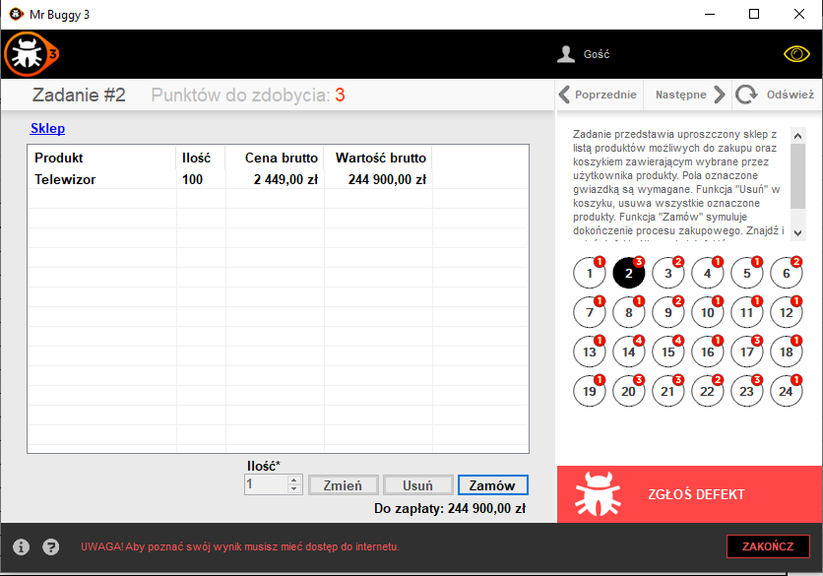
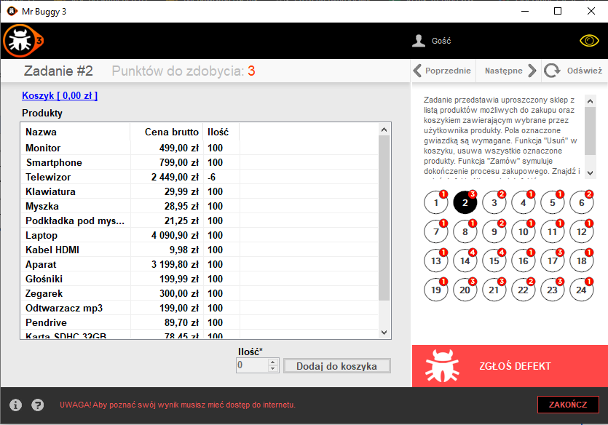
Attachments:
Additional info:

MBT_003
Project: | MrBuggy 3 | Test Execution
Client: | N/A | Start 11:00
Reference Document: | Task Description | End 11:30
Created By: | Patryk Korzeniewski
Creation Date: | 16 May 2023
Approval Date: | X
Description: | These are example Test Cases for Task 3 in MrBuggy 3: Find and report a defect in the standard application function for creating a user account in the web application. Fields marked with an asterisk are required. According to the customer's requirements, the First Name and Last Name fields can accept any characters. Base on your knowledge of how such an application should function. Don't look for usability defects. Bug report is below the test cases table.

Test Case ID | Test Scenario ID | Test Case Title | Pre-requisites | Execution Steps | Test Data | Expected Result | Actual Result | Priority | Result | Severity | Comments
T3_001 | MBT_003 | Register with proper data | 1. Logging in to the MrBuggy 3 app. 2. Enable Task number 1. | 1. Fill in the User name field with proper data. 2. Fill in the password with proper data. 3. Fill in the repeat password with proper data. 4. Fill in the First name field with any data. 5. Fill in the Name field with any data. 6. Click on the register button. | User name can contain lowercase and uppercase letters without diactric marks, must contain minimum 6 letters, can contain numbers and marks: - _ Password must be checked at least as: medium (średnie), must cointaint at least 6 marks. Name and First name can contain any marks. | 1. User name field is filled. 2. Password field is filled. 3. Repeat password field is filled. 4. First name field is filled. 5. Name field is filled. 6. User is succesfully registered. | 1. User name field is filled. 2. Password field is filled. 3. Repeat password field is filled. 4. First name field is filled. 5. Name field is filled. 6. User is succesfully registered. | High | Passed
T3_002 | MBT_004 | Check if password and repeat password fields are filling with dots instead of visible data. | 1. Logging in to the MrBuggy 3 app. 2. Enable Task number 1. | 1. Fill in the password with proper data. 2. Fill in the repeat password with proper data. | Type any data, use uppercase and lowercase letters, numbers, different marks. | 1. Password field is filled with dots. 2. Repeat password field is filled with dots. | 1. Password field is filled with dots. 2. Repeat password field is filled with dots. | High | Passed
T3_003 | MBT_005 | Register with poor (słabe) password. | 1. Logging in to the MrBuggy 3 app. 2. Enable Task number 1. | 1. Fill in the User name field with proper data. 2. Fill in the password field with poor password. 3. Fill in the repeat password. 4. Fill in the First name field with any data. 5. Fill in the Name field with any data. 6. Click on the register button. | User name can contain lowercase and uppercase letters without diactric marks, must contain minimum 6 letters, can contain numbers and marks: - _ Password must cointaint at least 6 marks. Name and First name can contain any marks. | 1. User name field is filled. 2. Password field is filled. 3. Repeat password field is filled. 4. First name field is filled. 5. Name field is filled. 6. User cannot register, the proper message is displayed. | 1. User name field is filled. 2. Password field is filled. 3. Repeat password field is filled. 4. First name field is filled. 5. Name field is filled. 6. User cannot register, the proper message is displayed. | High | Passed
T3_004 | MBT_006 | Register with forbidden marks in User name field: diactric marks | 1. Logging in to the MrBuggy 3 app. 2. Enable Task number 1. | 1. Fill in the User name field with data containing diactric marks. 2. Fill in the password with proper data. 3. Fill in the repeat password with proper data. 4. Fill in the First name field with any data. 5. Fill in the Name field with any data. 6. Click on the register button. | User name can contain lowercase and uppercase letters, must contain minimum 6 letters, can contain numbers and marks: - _ Examples of polish diactric marks: ą ę ć ź ł ó Password must be checked at least as: medium (średnie), must cointaint at least 6 marks. Name and First name can contain any marks. | 1. User name field is filled. 2. Password field is filled. 3. Repeat password field is filled. 4. First name field is filled. 5. Name field is filled. 6. User cannot register, the proper message is displayed. | 1. User name field is filled. 2. Password field is filled. 3. Repeat password field is filled. 4. First name field is filled. 5. Name field is filled. 6. User is registered succesfully. | Medium | Failed | Minor
T3_005 | MBT_007 | Register with too short User Name. | 1. Logging in to the MrBuggy 3 app. 2. Enable Task number 1. | 1. Fill in the User name field with proper data, must be lesser than 6 letters. 2. Fill in the password with proper data. 3. Fill in the repeat password with proper data. 4. Fill in the First name field with any data. 5. Fill in the Name field with any data. 6. Click on the register button. | User name can contain lowercase and uppercase letters without diactric marks, can contain numbers and marks: - _ User name in this case must me lesser than 6 letters. Password must be checked at least as: medium (średnie),must cointaint at least 6 marks. Name and First name can contain any marks. | 1. User name field is filled. 2. Password field is filled. 3. Repeat password field is filled. 4. First name field is filled. 5. Name field is filled. 6. User cannot register, the proper message is displayed. | 1. User name field is filled. 2. Password field is filled. 3. Repeat password field is filled. 4. First name field is filled. 5. Name field is filled. 6. User cannot register, the proper message is displayed. | Medium | Passed
T3_006 | MBT_008 | Register with different data in Password and Repoeat Password fields. | 1. Logging in to the MrBuggy 3 app. 2. Enable Task number 1. | 1. Fill in the User name field with proper data. 2. Fill in the password with proper data. 3. Fill in the repeat password with different data than password field. 4. Fill in the First name field with any data. 5. Fill in the Name field with any data. 6. Click on the register button. | User name can contain lowercase and uppercase letters without diactric marks, must contain minimum 6 letters, can contain numbers and marks: - _ Password must be checked at least as: medium (średnie), must cointaint at least 6 marks. Name and First name can contain any marks. | 1. User name field is filled. 2. Password field is filled. 3. Repeat password field is filled. 4. First name field is filled. 5. Name field is filled. 6. User cannot register, the proper message is displayed. | 1. User name field is filled. 2. Password field is filled. 3. Repeat password field is filled. 4. First name field is filled. 5. Name field is filled. 6. User cannot register, the proper message is displayed. | High | Passed
T3_007 | MBT_009 | Register the two users with the same User name | 1. Logging in to the MrBuggy 3 app. 2. Enable Task number 1. | 1. Fill in the User name field with proper data. 2. Fill in the password with proper data. 3. Fill in the repeat password with proper data. 4. Fill in the First name field with any data. 5. Fill in the Name field with any data. 6. Click on the register button. 7. Repeat steps 1-6. Use the same user name. | User name can contain lowercase and uppercase letters without diactric marks, must contain minimum 6 letters, can contain numbers and marks: - _ Password must be checked at least as: medium (średnie), must cointaint at least 6 marks. Name and First name can contain any marks. | 1. User name field is filled. 2. Password field is filled. 3. Repeat password field is filled. 4. First name field is filled. 5. Name field is filled. 6. User cannot register, the proper message is displayed. | 1. User name field is filled. 2. Password field is filled. 3. Repeat password field is filled. 4. First name field is filled. 5. Name field is filled. 6. User cannot register, the proper message is displayed. | High | Passed
T3_008 | MBT_010 | Register the two users with the same First and Last name | 1. Logging in to the MrBuggy 3 app. 2. Enable Task number 1. | 1. Fill in the User name field with proper data. 2. Fill in the password with proper data. 3. Fill in the repeat password with proper data. 4. Fill in the First name field with any data. 5. Fill in the Name field with any data. 6. Click on the register button. 7. Repeat steps 1-6. Use the same First and Last name. | User name can contain lowercase and uppercase letters without diactric marks, must contain minimum 6 letters, can contain numbers and marks: - _ Password must be checked at least as: medium (średnie), must cointaint at least 6 marks. Name and First name can contain any marks. | 1. User name field is filled. 2. Password field is filled. 3. Repeat password field is filled. 4. First name field is filled. 5. Name field is filled. 6. User is succesfully registered. | 1. User name field is filled. 2. Password field is filled. 3. Repeat password field is filled. 4. First name field is filled. 5. Name field is filled. 6. User is succesfully registered. | High | Passed
T3_009 | MBT_011 | Register with blank fields. | 1. Logging in to the MrBuggy 3 app. 2. Enable Task number 1. | 1. Click on register button. |  | 1. User cannot register, the proper message is displayed. | 1. User is succesfully registered. | High | Passed
T3_010 | MBT_012 | Register with too short password. | 1. Logging in to the MrBuggy 3 app. 2. Enable Task number 1. | 1. Fill in the User name field with proper data. 2. Fill in the password containing lesser than 6 marks. 3. Fill in the repeat password with proper data. 4. Fill in the First name field with any data. 5. Fill in the Name field with any data. 6. Click on the register button. | User name can contain lowercase and uppercase letters without diactric marks, must contain minimum 6 letters, can contain numbers and marks: - _ Password must be checked at least as: medium (średnie). Name and First name can contain any marks. | 1. User name field is filled. 2. Password field is filled. 3. Repeat password field is filled. 4. First name field is filled. 5. Name field is filled. 6. User cannot register, the proper message is displayed. | 1. User name field is filled. 2. Password field is filled. 3. Repeat password field is filled. 4. First name field is filled. 5. Name field is filled. 6. User cannot register, the proper message is displayed. | Meidum | Passed

ID | B003
Reporter: | Patryk Korzeniewski | Assignee: | N/A | Status: | Open
Type: | Functionality | Severity: | Minor | Priority: | Medium
Build: | 1.2.0.146 | OS: | Windows | OS version | 10
Summary: | User can register with diactric marks in username
Pre-conditions:
1 | Logging into MrBuggy 3 application.
2 | Enable Task number 1.
Steps to reproduce:
1 | Fill in the User name field with data containing diactric marks.
2 | Fill in the password with proper data.
3 | Fill in the repeat password with proper data.
4 | Fill in the First name field with any data.
5 | Fill in the Name field with any data.
6 | Click on the register button.

Actual result:
User is succesfully registered.

Expected result:
User cannot register, the proper message is displayed.
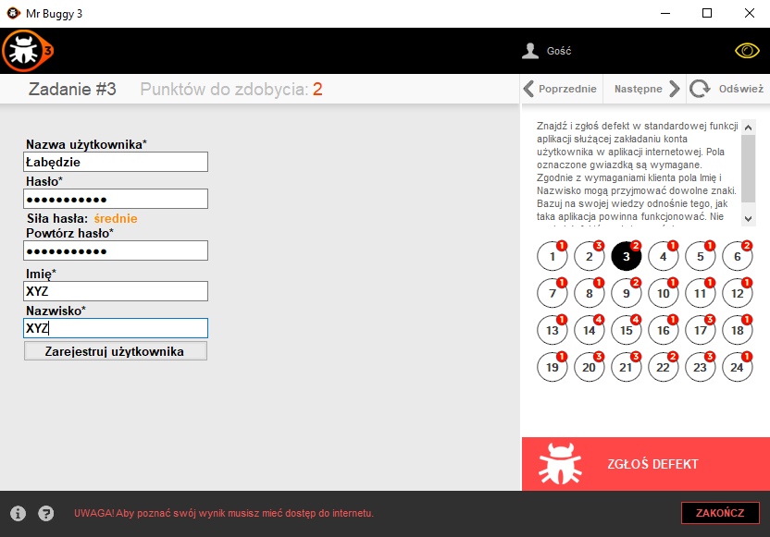
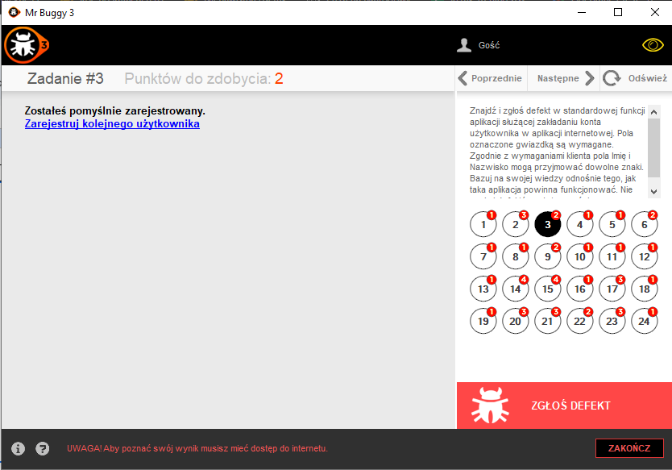
Attachments:
Additional info:

MBT_004
Project: | MrBuggy 3 | Test Execution
Client: | N/A | Start 12:07
Reference Document: | Task Description | End 12:40
Created By: | Patryk Korzeniewski
Creation Date: | 22 May 2023
Approval Date: | X
Description: | These are example Test Cases for Task 4 in MrBuggy 3: The task presents the function of sending transfers in an online bank account. Find and report a defect. Examples of correct account numbers: 1) 83109069928729691303181767 2) 97116052168159436723349207 3) 33102022251281637642546453 4) 63102085042134478184474438 5) 61102064838251962701343051 Examples of incorrect account numbers: 1) 89105024841488137640364928 2) 89105024841488147640364345 3) 99103024841488147640384345 4) 99102024841488135640364345 5) 99102024846666135640364345. Fields marked with an asterisk are required. The distribution of Fields and buttons is in accordance with the customer's requirements. Bug report is below the test cases table.

Test Case ID | Test Scenario ID | Test Case Title | Pre-requisites | Execution Steps | Test Data | Expected Result | Actual Result | Priority | Result | Severity | Comments
T4_001 | MBT_004 | Making a proper transfer with proper data | 1. Logging in to the MrBuggy 3 app. 2. Enable Task number 4. | 1. Enter a correct receiver account number ("Nr Rachunku odbiorcy"). 2. Enter receiver name. 3. Enter tranfer's title. 4. Enter the amount of money you want to send. 5. Click on "OK" button. 6. Click on "Confrim" ("Potwierdź") button. | Examples of correct account numbers: 1) 83109069928729691303181767 2) 97116052168159436723349207 3) 33102022251281637642546453 4) 63102085042134478184474438 5) 61102064838251962701343051 Examples of incorrect account numbers: 1) 89105024841488137640364928 2) 89105024841488147640364345 3) 99103024841488147640384345 4) 99102024841488135640364345 5) 99102024846666135640364345. The amount of money you send shouldn't exceed available founds. | 1. Field is filled correctly. 2. Field is filled correctly. 3. Field is filled correctly. 4. Field is filled correctly. 5. Every Field should grey out, entered data shouldn't change. 6. Transfer is done, available founds have decreased by sended amount. | 1. Field is filled correctly. 2. Field is filled correctly. 3. Field is filled correctly. 4. Field is filled correctly. 5. Every Field is grey out, entered amount of money is enlarged by 1 PLN. 6. Transfer is done, available founds have decreased by sended amount. | High | Failed | Critical
T4_002 | MBT_004 | Making a transfer using almost all available founds | 1. Logging in to the MrBuggy 3 app. 2. Enable Task number 4. | 1. Enter a correct receiver account number ("Nr Rachunku odbiorcy"). 2. Enter receiver name. 3. Enter tranfer's title. 4. Enter the whole available founds to send beside the pennies. 5. Click on "OK" button. 6. Click on "Confrim" ("Potwierdź") button. | Examples of correct account numbers: 1) 83109069928729691303181767 2) 97116052168159436723349207 3) 33102022251281637642546453 4) 63102085042134478184474438 5) 61102064838251962701343051 Examples of incorrect account numbers: 1) 89105024841488137640364928 2) 89105024841488147640364345 3) 99103024841488147640384345 4) 99102024841488135640364345 5) 99102024846666135640364345. Enter almost all available founds beside pennies. | 1. Field is filled correctly. 2. Field is filled correctly. 3. Field is filled correctly. 4. Field is filled correctly. 5. Every Field should grey out, entered data shouldn't change. 6. Transfer is done, available founds have decreased by sended amount. | 1. Field is filled correctly. 2. Field is filled correctly. 3. Field is filled correctly. 4. Field is filled correctly. 5. Every Field is grey out, entered amount of money is enlarged by 1 PLN. 6. Transfer is done, available founds display negative number. | High | Failed | Critical
T4_003 | MBT_004 | Making a transfer without entering any data | 1. Logging in to the MrBuggy 3 app. 2. Enable Task number 4. | 1. Click on "OK" button. |  | 1. User cannot proceed further, proper message is displayed. | 1. User cannot proceed further, proper message is displayed. | High | Passed
T4_004 | MBT_004 | Making a transfer without entering receiver account number | 1. Logging in to the MrBuggy 3 app. 2. Enable Task number 4. | 1. Enter receiver name. 2. Enter tranfer's title. 3. Enter the amount of money you want to send. 4. Click on "OK" button. |  | 1. Field is filled correctly. 2. Field is filled correctly. 3. Field is filled correctly. 4. User cannot proceed further, proper message is displayed. | 1. Field is filled correctly. 2. Field is filled correctly. 3. Field is filled correctly. 4. User cannot proceed further, proper message is displayed. | High | Passed
T4_005 | MBT_004 | Making a transfer without entering receiver name | 1. Logging in to the MrBuggy 3 app. 2. Enable Task number 4. | 1. Enter a correct receiver account number ("Nr Rachunku odbiorcy"). 2. Enter tranfer's title. 3. Enter the amount of money you want to send. 4. Click on "OK" button. | Examples of correct account numbers: 1) 83109069928729691303181767 2) 97116052168159436723349207 3) 33102022251281637642546453 4) 63102085042134478184474438 5) 61102064838251962701343051 Examples of incorrect account numbers: 1) 89105024841488137640364928 2) 89105024841488147640364345 3) 99103024841488147640384345 4) 99102024841488135640364345 5) 99102024846666135640364345. | 1. Field is filled correctly. 2. Field is filled correctly. 3. Field is filled correctly. 4. User cannot proceed further, proper message is displayed. | 1. Field is filled correctly. 2. Field is filled correctly. 3. Field is filled correctly. 4. User cannot proceed further, proper message is displayed. | High | Passed
T4_006 | MBT_004 | Making a transfer without entering transfer title | 1. Logging in to the MrBuggy 3 app. 2. Enable Task number 4. | 1. Enter a correct receiver account number ("Nr Rachunku odbiorcy"). 2. Enter receiver name. 3. Enter the amount of money you want to send. 4. Click on "OK" button. | Examples of correct account numbers: 1) 83109069928729691303181767 2) 97116052168159436723349207 3) 33102022251281637642546453 4) 63102085042134478184474438 5) 61102064838251962701343051 Examples of incorrect account numbers: 1) 89105024841488137640364928 2) 89105024841488147640364345 3) 99103024841488147640384345 4) 99102024841488135640364345 5) 99102024846666135640364345. | 1. Field is filled correctly. 2. Field is filled correctly. 3. Field is filled correctly. 4. User cannot proceed further, proper message is displayed. | 1. Field is filled correctly. 2. Field is filled correctly. 3. Field is filled correctly. 4. User cannot proceed further, proper message is displayed. | High | Passed
T4_007 | MBT_004 | Making a transfer without entering amount of money to send | 1. Logging in to the MrBuggy 3 app. 2. Enable Task number 4. | 1. Enter a correct receiver account number ("Nr Rachunku odbiorcy"). 2. Enter receiver name. 3. Enter tranfer's title. 4. Click on "OK" button. | Examples of correct account numbers: 1) 83109069928729691303181767 2) 97116052168159436723349207 3) 33102022251281637642546453 4) 63102085042134478184474438 5) 61102064838251962701343051 Examples of incorrect account numbers: 1) 89105024841488137640364928 2) 89105024841488147640364345 3) 99103024841488147640384345 4) 99102024841488135640364345 5) 99102024846666135640364345. | 1. Field is filled correctly. 2. Field is filled correctly. 3. Field is filled correctly. 4. User cannot proceed further, proper message is displayed. | 1. Field is filled correctly. 2. Field is filled correctly. 3. Field is filled correctly. 4. User cannot proceed further, proper message is displayed. | High | Passed
T4_008 | MBT_004 | Making a transfer using incorrect receiver number account | 1. Logging in to the MrBuggy 3 app. 2. Enable Task number 4. | 1. Enter an incorrect receiver account number ("Nr Rachunku odbiorcy"). 2. Enter receiver name. 3. Enter tranfer's title. 4. Enter the amount of money you want to send. 5. Click on "OK" button. | Examples of incorrect account numbers: 1) 89105024841488137640364928 2) 89105024841488147640364345 3) 99103024841488147640384345 4) 99102024841488135640364345 5) 99102024846666135640364345. | 1. Field is filled correctly. 2. Field is filled correctly. 3. Field is filled correctly. 4. Field is filled correctly. 5. User cannot proceed further, proper message is displayed. | 1. Field is filled correctly. 2. Field is filled correctly. 3. Field is filled correctly. 4. Field is filled correctly. 5. User cannot proceed further, proper message is displayed. | High | Passed
...
ID | B004
2 | Enter receiver name.
3 | Enter tranfer's title
4 | Enter the amount of money you want to send
5 | Click on "OK" button
6 | Click on "Confrim" ("Potwierdź") button
Actual result:
Every Field is grey out, entered amount of money is enlarged by 1 PLN.

Expected result:
Every Field should grey out, entered data shouldn't change.
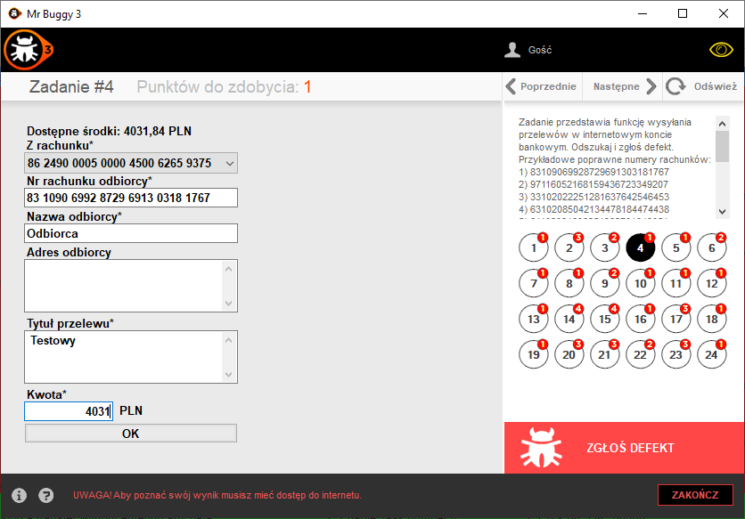
Attachments:
Additional info:

ID | B005
Reporter: | Patryk Korzeniewski | Assignee: | N/A | Status: | Open
Type: | Functionality, Safety | Severity: | Critical | Priority: | High
Build: | 1.2.0.146 | OS: | Windows | OS version | 10
Summary: | With bug B004 when user send almost all founds, the available founds displays negative number
Pre-conditions:
1 | Logging into MrBuggy 3 application.
2 | Enable Task number 4.
Steps to reproduce:
1 | Enter a correct receiver account number ("Nr Rachunku odbiorcy").
2 | Enter receiver name.
3 | Enter tranfer's title
4 | Enter the whole available founds to send beside the pennies
5 | Click on "OK" button
6 | Click on "Confrim" ("Potwierdź") button
Actual result:
Every Field is grey out, entered amount of money is enlarged by 1 PLN.
Transfer is done, available founds display negative number.
Expected result:
Every Field should grey out, entered data shouldn't change.
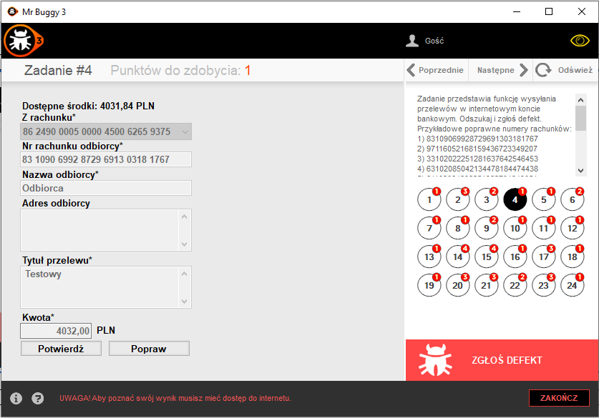
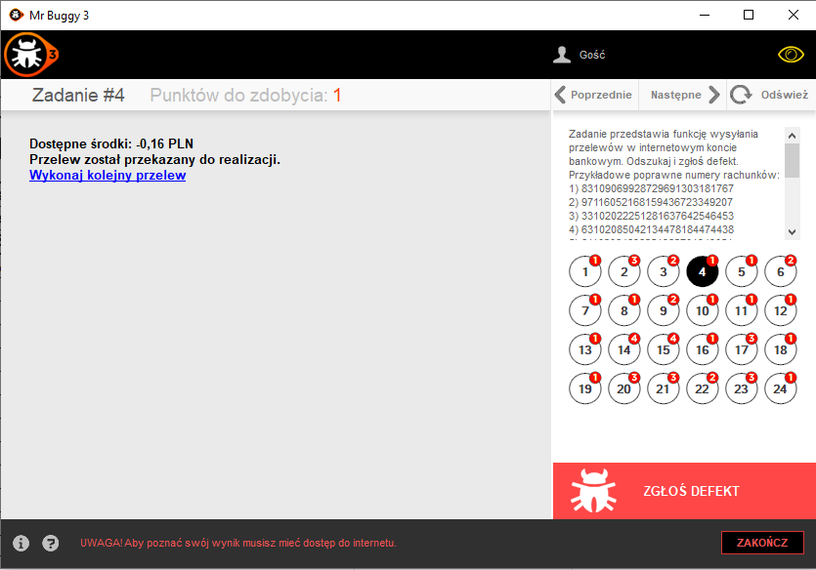
Transfer is done, available founds have decreased by sended amount.
Attachments:
Additional info:

MBT_005
...
ID | B006
2 | Click "Convert"
3 | Repeat steps 1-2 until the error occur.

Actual result:
The converter displays 0001.

Expected result:
Number is converted to apprioriate value.
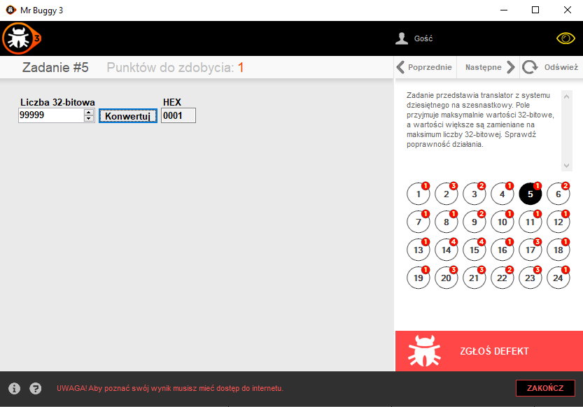
Attachments: | N/A (should be some screenshots or gifs)
Additional info:
We need now focus on finding te exact value which causes the bug.

MBT_006
...
ID | B007
2 | Enter receiver name.
3 | Enter tranfer's title.
4 | Enter the amount of money you want to send.
5 | Click on "OK" button.

Actual result:
User can proceed further and make transfer on own account, the amount of owned money has increased.

Expected result:
User cannot proceed further, proper message is displayed.
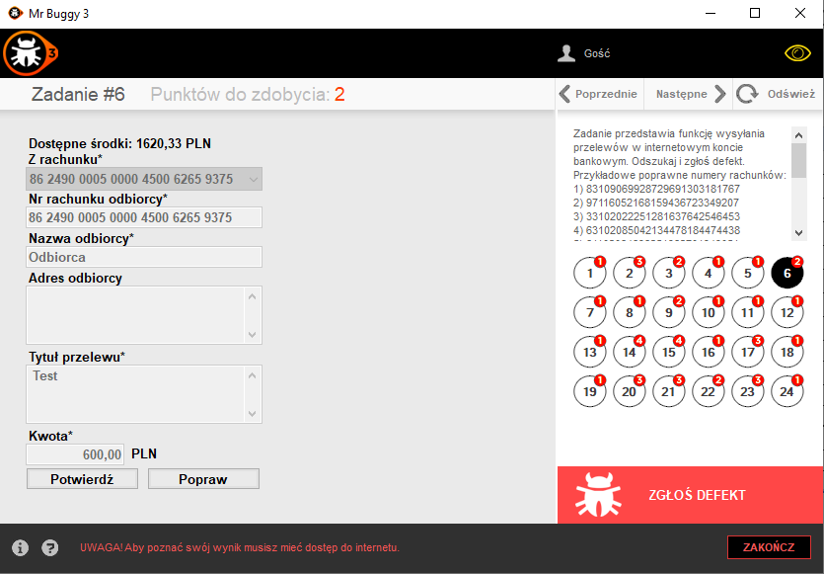
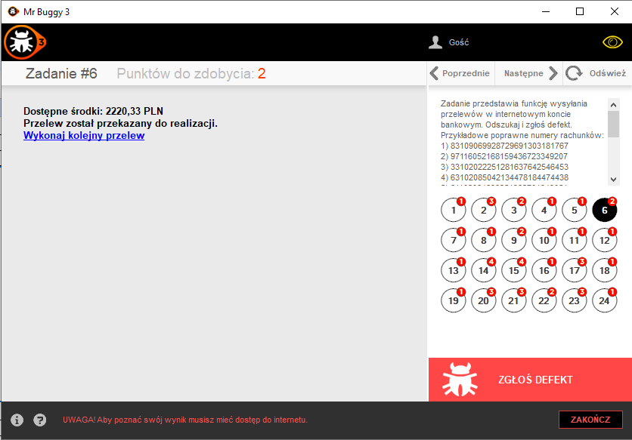
Attachments: | N/A (should be some screenshots or gifs)
Additional info:

MBT_008
...
ID | B008
2 | Type any value in Input 2 field
3 | Click "Calculate" ("Oblicz")

Actual result:
User can fill both Input fields with any mark, letter or digit.
After clicking on "Calculate" error is displayed.
Expected result:
User cannot fill fields with any mark beside 0 or 1.
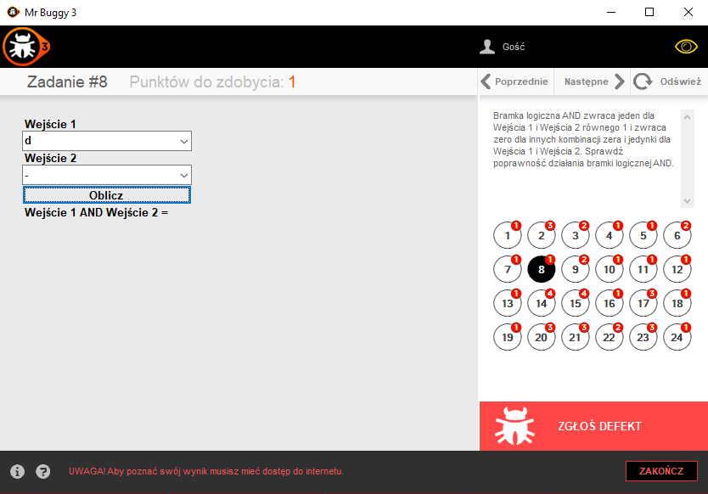
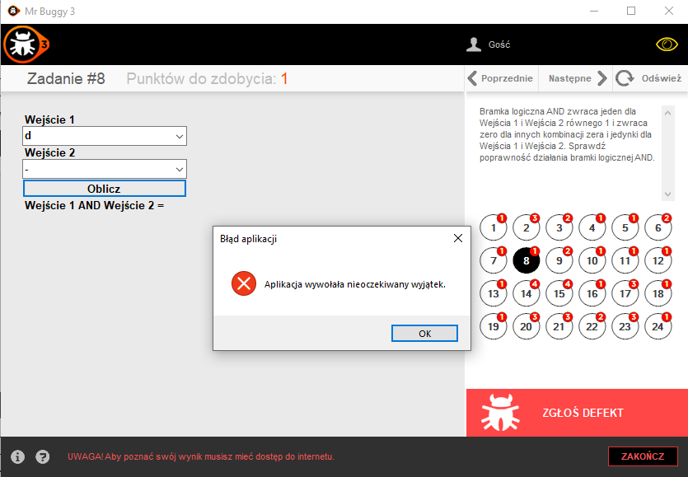
Attachments:
Additional info:

Summary Report
...
Project: | MrBuggy 3
Approval Date: | X
Description: | In this sheet you can find summary raport, metrics and traceability matrix from this little project/exercise.

Summary of testing performed: | Most test scenarios and test cases were written based on exploratory testing and tasks description due to nature of the application. 108 tests were executed.
Deviations from planned testing: | None
Test completion evaluation: | All tests are completed. 2 test were executed with failures of High severity and 4 with Critical severity.
Factors that blocked progress: | None
Test measures: | All 108 tests were run in 10 days. I have found 9 defects, 1 defect in interface included.
Risks: | This is only for training purposes, in the future I should review these sheets to find my own mistakes and make corrections.

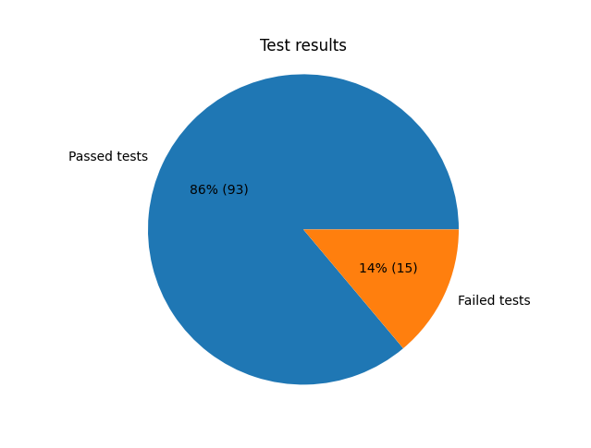
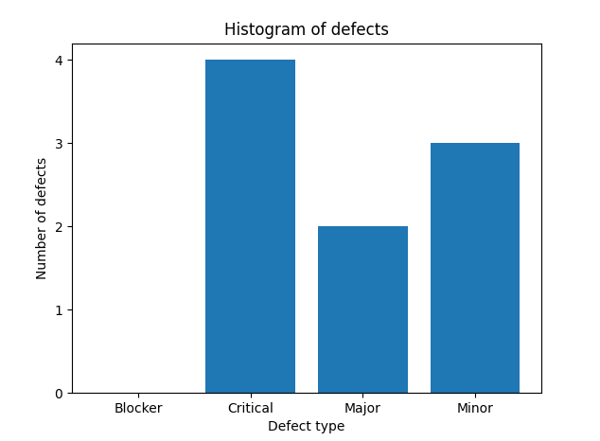
Metrics (done in Python in matplotlib, you can download the .py file from the folder):

Traceability matrix:
Requirement | Test Scenario ID | Test Scenario Description | Testcase ID | Test status | Defects
MrBuggy 3 Application Executive specification | TS_001 | Validate the working of the interface | TC_001 TC_002 TC_003 TC_004 TC_005 TC_006 TC_007 TC_008 | TC_001 - Pass TC_002 - Pass TC_003 - Pass TC_004 - Failed TC_005 - Pass TC_006 - Pass TC_007 - Pass TC_008 - Pass | B1
N/A | MBT_001 | Validate the working of Register Account functionality | T1_001 T1_002 T1_003 T1_004 T1_005 T1_006 T1_007 T1_008 T1_009 T1_010 | T1_001 - Pass T1_002 - Pass T1_003 - Pass T1_004 - Pass T1_005 - Pass T1_006 - Pass T1_007 - Pass T1_008 - Pass T1_009 - Failed T1_010 - Pass | B001
N/A | MBT_002 | Validate the functionality of online shop | T2_001 T2_002 T2_003 T2_004 T2_005 T2_006 T2_007 T2_008 T2_009 T2_010 T2_011 T2_012 T2_013 T2_014 T2_015 T2_016 T2_017 T2_018 T2_019 T2_020 T2_021 T2_022 T2_023 T2_024 T2_025 T2_026 T2_027 T2_028 T2_029 T2_030 T2_031 T2_032 T2_033 T2_034 T2_035 T2_036 T2_037 T2_038 T2_039 T2_040 T2_041 T2_042 | T2_001 - Pass T2_002 - Pass T2_003 - Pass T2_004 - Pass T2_005 - Pass T2_006 - Pass T2_007 - Pass T2_008 - Pass T2_009 - Pass T2_010 - Pass T2_011 - Pass T2_012 - Pass T2_013 - Pass T2_014 - Pass T2_015 - Pass T2_016 - Pass T2_017 - Pass T2_018 - Pass T2_019 - Pass T2_020 - Pass T2_021 - Pass T2_022 - Pass T2_023 - Pass T2_024 - Pass T2_025 - Pass T2_026 - Pass T2_027 - Pass T2_028 - Pass T2_029 - Pass T2_030 - Pass T2_031 - Pass T2_032 - Pass T2_033 - Pass T2_034 - Pass T2_035 - Pass T2_036 - Pass T2_037 - Pass T2_038 - Pass T2_039 - Pass T2_040 - Pass T2_041 - Failed T2_042 - Pass | B002
N/A | MBT_003 | Validate the working of Register Account functionality | T3_001 T3_002 T3_003 T3_004 T3_005 T3_006 T3_007 T3_008 T3_009 T3_010 | T3_001 - Pass T3_002 - Pass T3_003 - Pass T3_004 - Failed T3_005 - Pass T3_006 - Pass T3_007 - Pass T3_008 - Pass T3_009 - Pass T3_010 - Pass | B003
N/A | MBT_004 | Validate the working of Transfer in bank web application | T4_001 T4_002 T4_003 T4_004 T4_005 T4_006 T4_007 T4_008 T4_009 T4_010 T4_011 T4_012 | T4_001 - Failed T4_002 - Failed T4_003 - Pass T4_004 - Pass T4_005 - Pass T4_006 - Pass T4_007 - Pass T4_008 - Pass T4_009 - Pass T4_010 - Pass T4_011 - Pass T4_012 - Pass | B004 B005
N/A | MBT_005 | Validate the working of decimal to hexadecimal translator | T5_001 T5_002 T5_003 T5_004 T5_005 T5_006 T5_007 T5_008 T5_009 T5_010 | T5_001 - Pass T5_002 - Pass T5_003 - Pass T5_004 - Failed T5_005 - Failed T5_006 - Failed T5_007 - Failed T5_008 - Failed T5_009 - Failed T5_010 - Failed | B006
N/A | MBT_006 | Validate the working of Transfer in bank web application | T6_001 T6_002 T6_003 T6_004 T6_005 T6_006 T6_007 T6_008 T6_009 T6_010 T6_011 T6_012 | T6_001 - Pass T6_002 - Pass T6_003 - Pass T6_004 - Pass T6_005 - Pass T6_006 - Pass T6_007 - Pass T6_008 - Pass T6_009 - Pass T6_010 - Pass T6_011 - Failed T6_012 - Pass | B007
N/A | MBT_008 | Validate the correctness of the AND logic gate | T8_001 T8_002 T8_003 T8_004 T8_005 | T8_001 - Pass T8_002 - Pass T8_003 - Pass T8_004 - Pass T8_005 - Failed | B008

